Sheet1
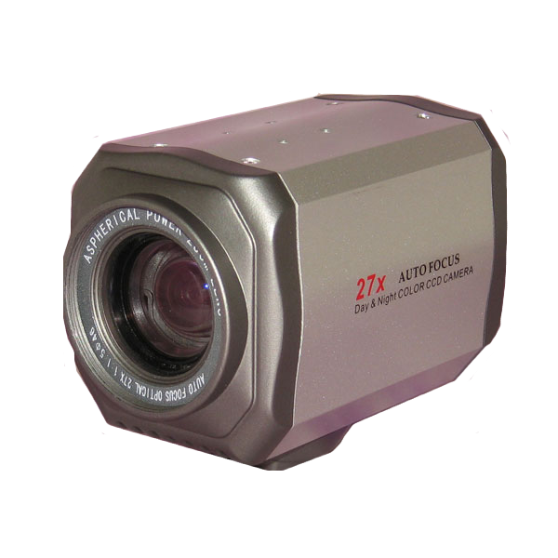
Camera Trade Studies
no | Name | link | price | Specs | Resolution
1 | 27X Optical Zoom 1/4 inch Sony Color CCD | http://www.superdroidrobots.com/shop/item.aspx/27x-optical-zoom-1-4-inch-sony-color-ccd/1015/ | $139.00 | Pickup device 1/4-inch Sony CCD image sensor
 |  |  |  | Number of pixels 537(H)X492(V)
 |  |  |  | System of signal NTSC/PAL
 |  |  |  | Horizontal resolution 420TV Line / 480TV Line
 |  |  |  | Minimum illumination 0.8 lux
 |  |  |  | Lens 3.9mm-105.3mm
 |  |  |  | Backlight compensation ON/OFF
 |  |  |  | Electronic shutter 1/50~1/100000sec
 |  |  |  | white balance Auto
 |  |  |  | S/N ratio <48db
 |  |  |  | Gamma correction Automatic Focusing, Electrically operated focusing
 |  |  |  | Operation temperature -20C~50C
 |  |  |  | Line method DC5V~12V
 |  |  |  | Bus method RS485
 |  |  |  | Bus arbitration PELCO-D,ELCO-P Protocol
 |  |  |  | Baud rate 9600
 |  |  |  | Video output <1.2VP-P/750
 |  |  |  | Operation Voltage DC12V
 |  |  |  | Power <400mA
 |  |  |  | Dimensions 110X65X70mm
 |  |  |  | Weight 320g
2 | EasyN FS-613A-M136 Wireless WiFi Pan/Tilt IP Camera | http://www.amazon.com/EasyN-FS-613A-M136-Wireless-Software-Compatible/dp/B0054TW1WC/ref=sr_1_1?s=electronics&ie=UTF8&qid=1390938007&sr=1-1&keywords=wi-fi+cameras | $42.00 | MJPEG Compressin - 640x480 Resolution; 0.3 Megapixel - Two-way audio communication with built in speaker and mic - Allows remote pan and tilt control (pan 270degrees tilt 120degees)
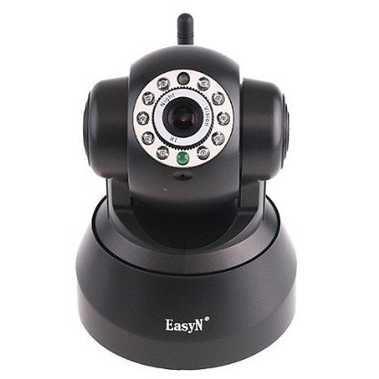
 |  |  |  | 10 IR LEDs for night vision up to 10 Meters - Supports wireless encryption using WEP, WPA and WPA2 - Supports DDNS for dynamic IP address stabilization
 |  |  |  | Motion detection alerts via emailed images and FTP image upload - Supports DHCP, fixed/static IP and PPPOE
 |  |  |  | Multi-level user management and password protection - Allows for remote viewing and recording from anywhere in the world through the internet - Includes free 64 channel surveillance software
 |  |  |  | Supports smartphones (Iphone & Android) as well as standard browsers (Internet Explorer, Firefox, Safari, Chrome)
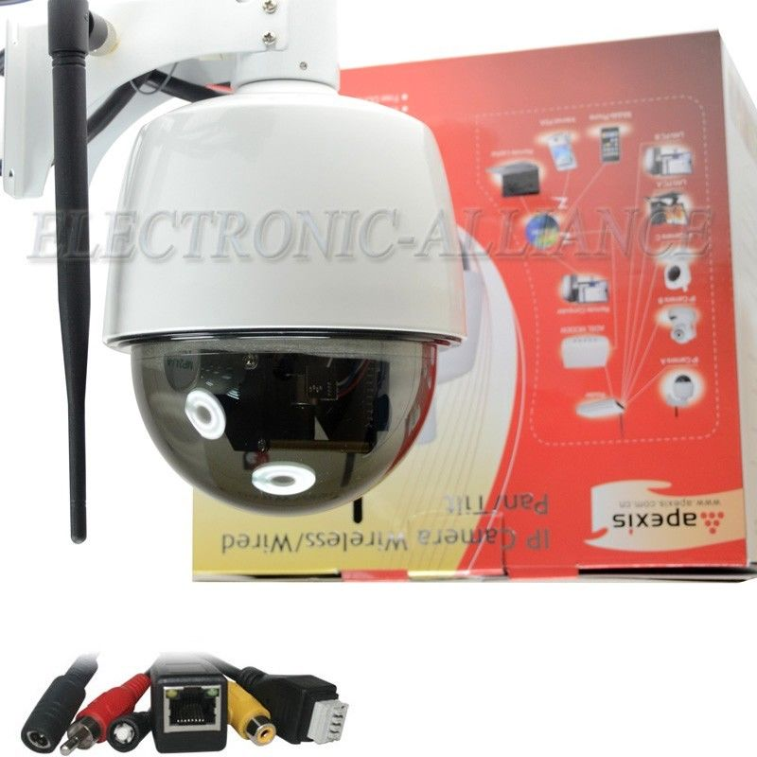
3 | Wireless/Wifi Network IP Camera 3x Optical Zoom PTZ Security | http://www.ebay.com/itm/Wireless-Wifi-Network-IP-Camera-3x-Optical-Zoom-PTZ-Security-Outdoor-Waterproof-/121263108755 | $127.50

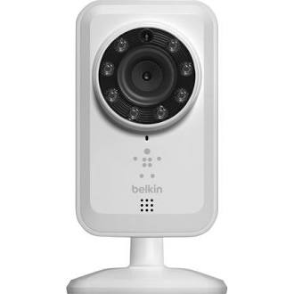
4 | Cloud Camera 1050, Day Network Cloud Camera | http://www.dlink.com/us/en/home-solutions/view/network-cameras/dcs-931l-wireless-n-network-camera | $59.99 | Up to 30 frames at 640x480, 320x240,160x120
5 | Belkin NetCam Wi-Fi Camera with Night Vision Network camera - | https://www.google.com/shopping/product/8377337177684667090?q=Wifi+camera&espv=210&es_sm=91&biw=1280&bih=623&sa=X&ei=NynoUp6tOKzNsQSnkoCQBQ&ved=0CKQEEPMCMAA | $80 | Device TypeNetwork camera | 5V
 |  |  |  | Connectivity TechnologyWired, wireless
 |  |  |  | First Seen On Google ShoppingOctober 2012
 |  |  |  | Camera
 |  |  |  | TypeColor - Day&Night - fixed
 |  |  |  | Digital Video FormatMJPEG
 |  |  |  | Max Digital Video Resolution640 x 480
 |  |  |  | Video Capture640 x 480 @ 30 fps 320 x 240 @ 30 fps 160 x 120 @ 30 fps
 |  |  |  | Still ImageJPEG
 |  |  |  | Audio SupportYes : built-in microphone
 |  |  |  | FeaturesResizing an image, image flip, image mirror, Infra-Red LEDs
 |  |  |  | Image Sensor
 |  |  |  | TypeCMOS 1/4"
 |  |  |  | Lens Construction
 |  |  |  | Focal Length3.1 mm
 |  |  |  | Lens IrisF/2.6
 |  |  |  | Horizontal Field of View (degree)64
 |  |  |  | Vertical Field of View (degree)48
 |  |  |  | Interfaces
 |  |  |  | NetworkingEthernet 10Base-T/100Base-TX, IEEE 802.11b, IEEE 802.11g, IEEE 802.11n
6 | Belkin NetCam HD Wi-Fi Camera with Night Vision Network camera - fixed | https://www.google.com/shopping/product/15771578153385118503?q=Wifi+camera&espv=210&es_sm=91&biw=1280&bih=623&sa=X&ei=NynoUp6tOKzNsQSnkoCQBQ&ved=0CNMEEPMCMAI | $92 | General | 5V
 |  |  |  | Device TypeNetwork camera
 |  |  |  | Connectivity TechnologyWireless
 |  |  |  | First Seen On Google ShoppingMay 2013
 |  |  |  | Camera
 |  |  |  | TypeColor - Day&Night - fixed
 |  |  |  | Max Digital Video Resolution1280 x 720
 |  |  |  | Audio SupportYes : built-in microphone
 |  |  |  | Features8 infrared LEDs
 |  |  |  | Image Sensor
 |  |  |  | TypeCMOS 1/3.2"
 |  |  |  | Lens Construction
 |  |  |  | Focal Length3 mm
 |  |  |  | Lens IrisF/2.0
 |  |  |  | Horizontal Field of View (degree)78
 |  |  |  | Vertical Field of View (degree)45
 |  |  |  | Interfaces
 |  |  |  | NetworkingIEEE 802.11b, IEEE 802.11g, IEEE 802.11n
 |  |  |  | Miscellaneous
 |  |  |  | Compliant StandardsRoHS
7 | EasyN 2-Audio Wireless WiFi IP Camera IR Night Vision | http://www.espow.com/product_info.php?products_id=57737&currency=USD&gsc=googleshopping&gclid=CJCh4dDxobwCFZJxOgod_EIA4Q | US$55.99 | System security | Support three-level account, password, user authority management
 |  |  |  | DDNS (free) | Free DDNS bounded i.e., need no application of PeanutHull
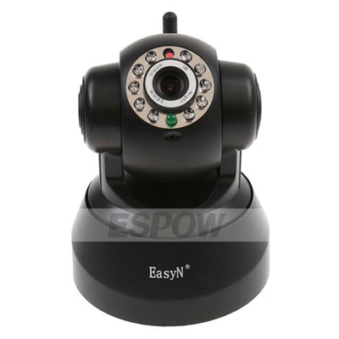
 |  |  |  | IE | Support 9 channel view by IE. Simplified/traditional Chinese, English, Russian, Spanish, Polish, German, French, Italian
 |  |  |  | Superiority | P2P technology, need no port mapping, save bandwidth, cell phone video monitor
 |  |  |  | CPU
 |  |  |  | Operation system | Embedded Linux OS
 |  |  |  | Microcomputer processor | 32Bit RSIC Embedded Processor
 |  |  |  | Video
 |  |  |  | Compression format | Motion-JPEG-N
 |  |  |  | Signal system | CMOS 300,000 pixels
 |  |  |  | Frame rate | 25fps PAL; 30fps NTSC
 |  |  |  | Resolution | VGA (640*480), QVGA (320*240)
 |  |  |  | Video adjustment | Brightness, contrast, chroma, saturation
 |  |  |  | Minimum illumination | 0.1 Lux/F1.2
 |  |  |  | S/N ratio | >48DB (AGC off)
 |  |  |  | Shutter speed | 1/50s (1/60s) ~ 1/100,000s
 |  |  |  | WB, BLC | Auto
 |  |  |  | Lens | Standard: 3.6mm
 |  |  |  | Night Vision
 |  |  |  | Night vision | 10 LED; IR distance: 10m
 |  |  |  | Audio
 |  |  |  | Processor | Built-in two-way audio
 |  |  |  | Audio gain | AGC
 |  |  |  | P/T
 |  |  |  | Motor | Built-in motor control
 |  |  |  | Preset | Support 15 preset
 |  |  |  | Rotation angle | Horizontal: 270 degrees; vertical: 90 degrees
 |  |  |  | Rotation speed | 11 level speed manual speed range 15-70 degrees per second
 |  |  |  | Network
 |  |  |  | Network interface | RJ-45 10/100Mb self-adaptable Ethernet slot
 |  |  |  | Protocol | Support TCP/IP, HTTP, ICMP, DHCP, FTP, SMTP, PPPOE etc
 |  |  |  | Wireless | WIFI, 802.11 b/g
 |  |  |  | Online visitor | Support 5 visitors at the same time, but no limitation when using P2P
 |  |  |  | IP mode | Dynamic IP address, static IP address, PPPOE
 |  |  |  | Others
 |  |  |  | Brand | EasyN
 |  |  |  | Model | FS-613-M136
 |  |  |  | Shape | Cartoon robot
 |  |  |  | Color | Black
 |  |  |  | Use environment | Indoor use
 |  |  |  | Power | DC5V 2A
 |  |  |  | Temperature | -10~50Degrees Celsius
 |  |  |  | Humidity | 95% RH
 |  |  |  | Size | Item size: 91*103*135mm(L*W*H)
 |  |  |  |  | Packaging size: 170*170*170mm (L*W*H)
 |  |  |  | Weight | N.W.:350g G.W.:650g (Note: for real products)
 |  |  |  | Attachment | Adaptor, CD (including manual), bracket
 |  |  |  | System
 |  |  |  | System requirement | Microsoft Win98, SE/ME/2000/XP, Vista, Win7, Internet Explorer 5.0, NET4.5 or Firefox, Google Browser

